model
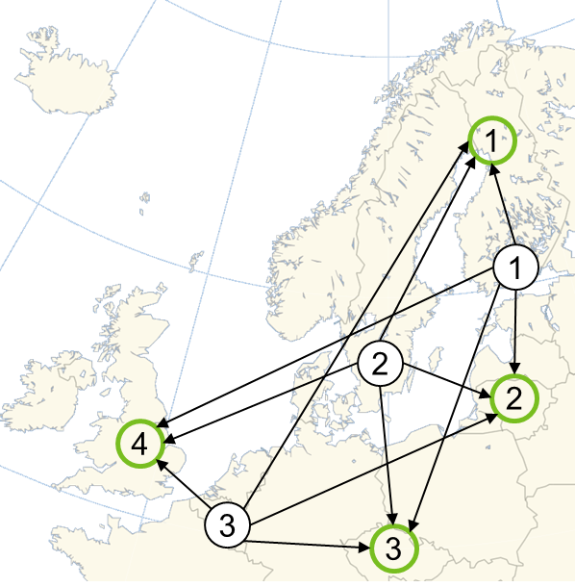
Pulp&Paper Company

2500
Transportation cost per ton |  | Warehouse
 |  | 1. Finland | 2. Lithuania | 3. Czech | 4. UK
Mill | 1. Finland | 53 € | 95 € | 136 € | 160 €
 | 2. Sweden | 60 € | 120 € | 132 € | 140 €
 | 3. Belgium | 210 € | 190 € | 89 € | 71 €
 |  |  |  |  |  | Total Cost
 |  |  |  |  |  | 1,578,200 €
2500
Transported quantity xij (tons) |  | Warehouse
10200
 |  | 1. Finland | 2. Lithuania | 3. Czech | 4. UK | Total Shipped |  | Capacity
0
Mill | 1. Finland | 2500 | 3000 | 4400 | 0 | 9900 | ≤ | 10200
 | 2. Sweden | 0 | 0 | 1100 | 900 | 2000 | ≤ | 2000
0
4400
 | 3. Belgium | 0 | 0 | 0 | 4100 | 4100 | ≤ | 4100
2000
3000
 | Total Received | 2500 | 3000 | 5500 | 5000
 |  | = | = | = | =
0
 | Demand | 2500 | 3000 | 5500 | 5000
900
1100
3000
Parameters
Decision variables
0
5000
4100
0

0
4100
5500

